ReadMe

 | Excel Mapping Tool Instruction Sheet

Our thanks to Jim Powers, the developer of this tool, for making it accessible to MIMU users.

Background
This tool uses MIMU Place Codes to enable the preparation of simple "heatmaps" to compare data from Excel spreadsheets across states/regions and townships. It can compare and contrast different indicators from larger, national datasets such as the 2014 Myanmar Population and Housing Census, and also used with agencies' own information from different areas. Please try the tool and share examples of how you are using it - info.mimu@undp.org

Description
This tool is powered by Macro at the backend and works with the MIMU Pcodes. Simply add the data of interest as a square of data formatted with the Place codes to generate a quick heat map.

Version 2.0
Till Version 1.xx, we are using excel built-in features to make heatmaps. Since new version 2.0, it make completely changes. Instead of excel built in feature to make heat map, we use leaflet javasript library to make heat map. So most features will completely difference with version 1.xx. So to view the result, you will need a browser. Except IE, pretty much most modern browsers are supported.

Pcode
Pcode is an abbreviated term for “Place code”; this is similar to a zip code or postal code, and is a part of a data management system providing unique reference codes to around 67,000 locations across Myanmar. The MIMU maintains the P-codes for Myanmar based on information collected from a variety of sources, including the Government gazette and humanitarian and development organizations. Without a system for organizing such data it is almost impossible for data from more than one source to be combined. For more info, Please go to following link...
http://themimu.info/place-codes

The following demo uses the 2014 Census data which is already linked with MIMU Pcodes.
You can access more Census data with Pcodes at the following link…
http://themimu.info/census-data

We will use this pcode to match with geojson files which we will use to show heat maps at browser.
Your data will be here
This is exclude feature, if cell value is "true", at heatmap, it won't show nothing. With that feature, we can show only yangon townships, when you are using township heat map if you say "false" to all other townships, except yangon ones.
User Guide
You can change classification method here, depend on which classification you choose, result colors will be difference. Currently we support three types : Equal Interval, Quantitle and Custom. For Custom Ranges, You can change at advanced config sheet.
There is currently three color templates. You can choose here.
1. Basic

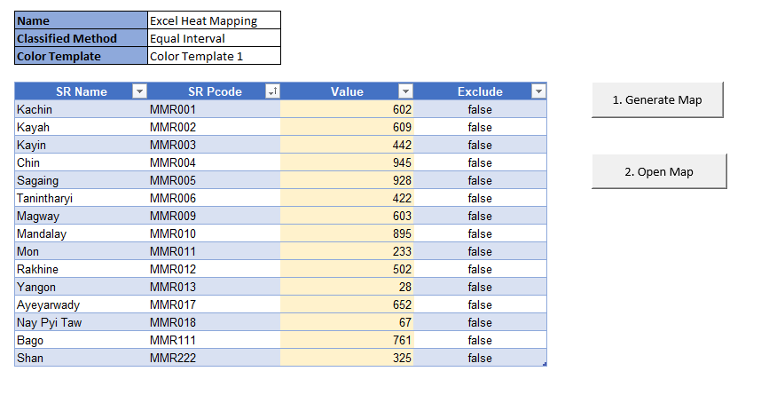
When you ready, you can press, this button. It will create data.js and Heat Map.html beside this excel file. when you click "Heat Map.html" file, you will get your heat map.

Open Map is only open "Heat Map.html" file for you. If you has problem with this one. You can go directly click the "Heat Map.html" file with browsers such as Firefox, Chrome, Edge browser, Opera so on...

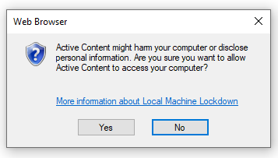

If you click "Open Map", sometime, it appear the msgbox as follow. It tell you like that because, we are open the html file from your computer. If you feel uncomfortable with that message, don't click on "Open Map" and you can click directly generated "Heat Map.html" file beside this excel file, after you click "Generated Map" button.

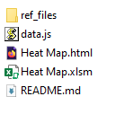

2. Heat Map in Browser

When you open the "Heat Map.html" file, you will see as follow. There is zoom control at top left. And you can you zoom in and out but mouse scroll. When you put mouse over at some regions, you will see properties, at top right box.

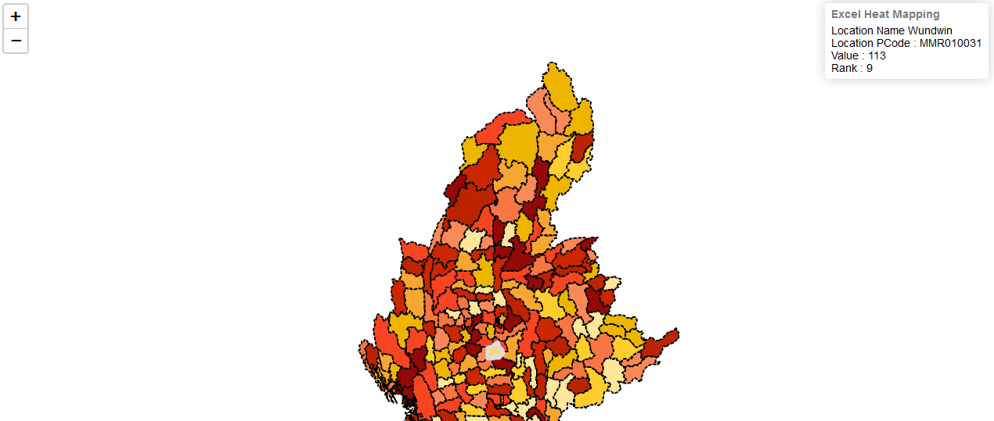

3. Advanced Config Sheet

This is advanced config sheet. You can modify background colors, rank counts, tile layers on (we only use openstreetmap layer standard and humanaitarian one) and you can change border style and opacity, colors as you wish.
This is map setting. in here you can change the background color, you will need to use hex code for that one. Total Ranks is same with classified category. currently we use 10. if you want to use more or less category, you can set here. but you will need to change at color template too. currently color template is make for 10 categories.
Here is the color templates. You can change the colors as you wish. And you can increae the color categories too. If you do that, you will need to change Categories count at Map > Total Ranks.
This is custom rank, it will work while you choose Classified Method as "Custom" at related sheet. Currently it has only 10 categories. if you want more than 10, you can set at Map > Total Ranks. At the same time, you will need to adjust the color template too. Second column and third column is playing to adjust the value. So you can make custom range as you wish.

This feature is only work while online, it will let you see overlay openstreet map. you will need to put "true" beside "Tile Layer Enable". And you can change layers too.

This setting will modify the border color of map. And opacity of shape too.

This setting will modify the border color of map while we put mouseover.

